Sheet1
List Deployment Service SLS

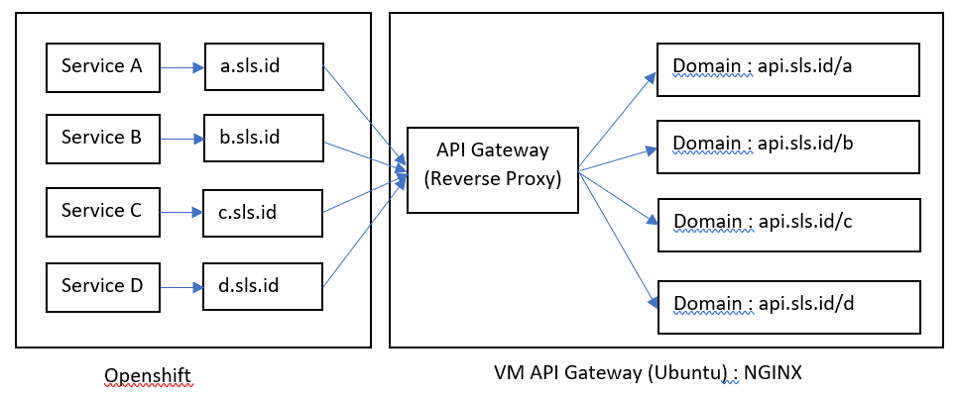
NO | DEPLOYMENT | SERVICE | PORT | ROUTE (DOMAIN) | Skema Arsitektur
1 | hcis-masterdata | masterdata | 60001 | masterdata-hris.apps.oc.sls.id
2 | hcis-bizpar | bizpar | 60004 | bizpar-hris.apps.oc.sls.id
3 | hcis-idp | idp | 60029 | idp-hris.apps.oc.sls.id
4 | hcis-report | report | 60003 | report-hris.apps.oc.sls.id
5 | hcis-bpm | bpm | 60030 | bpm-hris.apps.oc.sls.id
6 | hcis-es | es | 60002 | es-hris.apps.oc.sls.id
7 | hcis-emcmd | emcmd | 60005 | emcmd-hris.apps.oc.sls.id
8 | hcis-emqry | emqry | 60006 | emqry-hris.apps.oc.sls.id
9 | hcis-recruitmentcmd | recruitmentcmd | 60013 | recruitmentcmd-hris.apps.oc.sls.id
10 | hcis-recruitmentqry | recruitmentqry | 60014 | recruitmentqry-hris.apps.oc.sls.id
11 | hcis-tmcmd | tmcmd | 60007 | tmcmd-hris.apps.oc.sls.id
12 | hcis-tmqry | tmqry | 60008 | tmqry-hris.apps.oc.sls.id
13 | hcis-performancecmd | performancecmd | 60011 | perfomancecmd-hris.apps.oc.sls.id
14 | hcis-performanceqry | performanceqry | 60012 | performanceqry-hris.apps.oc.sls.id
15 | hcis-cnbcmd | cnbcmd | 60009 | cnbcmd-hris.apps.oc.sls.id
16 | hcis-cnbqry | cnbqry | 60010 | cnbqry-hris.apps.oc.sls.id
17 | hcis-blacklist | blacklist | 60028 | blacklist-hris.apps.oc.sls.id
18 | hcis-movementcmd | mvcmd | 60016 | mvcmd-hris.apps.oc.sls.id
19 | hcis-movementqry | mvqry | 60017 | mvqry-hris.apps.oc.sls.id
20 | hcis-outsourcecmd | outsourcecmd | 60018 | outsourcecmd-hris.apps.oc.sls.id
21 | hcis-outsourceqry | outsourceqry | 60019 | outsourceqry-hris.apps.oc.sls.id
22 | hcis-loancmd | loancmd | 60024 | loancmd-hris.apps.oc.sls.id
23 | hcis-loanqry | loanqry | 60025 | loanqry-hris.apps.oc.sls.id
24 | hcis-trncmd | trncmd | 60022 | trncmd-hris.apps.oc.sls.id | NOTE :
25 | hcis-trnqry | trnqry | 60023 | trnqry-hris.apps.oc.sls.id | Spec VM (Reverse Proxy) = 4Core / 8GB / 60GB
26 | hcis-terminationcmd | tmncmd | 60020 | tmncmd-hris.apps.oc.sls.id
27 | hcis-terminationqry | tmnqry | 60021 | tmnqry-hris.apps.oc.sls.id
28 | hcis-fcm | notification-fcm | 60040 | fcm-hris.apps.oc.sls.id
29 | hcis-brms | brms | 60031 | brms-hris.apps.oc.sls.id
30 | hcis-cfg | cfg | 60032 | cfg-hris.apps.oc.sls.id
31 | hcis-requestqry | requestqry | 60034 | requestqry-hris.apps.oc.sls.id
32 | hcis-requestcmd | requestcmd | 60033 | requestcmd-hris.apps.oc.sls.id
33 | hcis-dashboard | dashboard | 60035 | dashboard-hris.apps.oc.sls.id
34 | hcis-template | template | 60036 | template-hris.apps.oc.sls.id
35 | hcis-websocket | websocket | 60038 | websocket-hris.apps.oc.sls.id
36 | hcis-web | web | 60043 | web-hris.apps.oc.sls.id
37 | hcis-maintenance | maintenance | 80 | maintenance-hris.apps.oc.sls.id

1 | MINIO | minio | 9000 | minio-hris.apps.oc.sls.id
2 | REDIS | redis | 6379
3 | RABBITMQ | rabbitmq | 4369, 5672, 25672, 15672 | rabbitmq-hris.apps.oc.sls.id

Sheet2
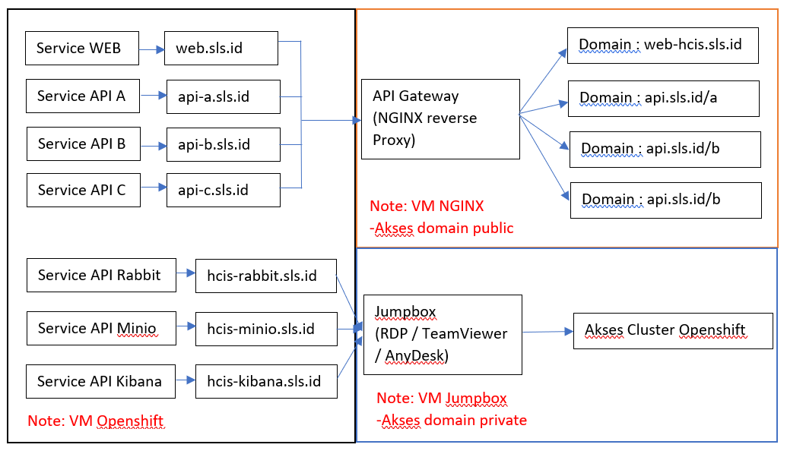

Note | :
1. Domain akses public = web-hcis.sls.id, api.sls.id
2. Akses cluster openshift via jumpbox

